Sheet2
Correlation Matrix
++ | Strong Posibility
+ | Posibility
(- +) | Likely |  | equals low correlation
- | Not Likely |  | equals high correlation
-- | Not Possible/NA

Relationship Matrix
֍ | Strong | 9 |  | SRP Clientel Satisfaction |  |  | + | ++ | ++ |  | ++
҈ | Medium | 4 |  | User Friendly |  |  | (- +) | - | - |  | --
ʘ | Weak | 2 |  | Reliability |  |  | ++ | (- +) | + |  | --
 | No Assignment | 0 |  | Safety |  |  | ++ | + | + |  | -
 |  |  |  | Affordability |  |  | (- +) | + | + |  | +

 |  |  |  |  | Customer Importance (1=Low, 5=High) | Percent of Customer Importance Rating | Safety | Cost | Level of Maintenance | Weight | Heat Transfer | Boston Air Coil | Mass Flow Rate | NPV ($$$) | Thermal Efficiency | Delta T | Latenet Heat | Sensible Heat | Specific Heat | Thermal Conductivity | 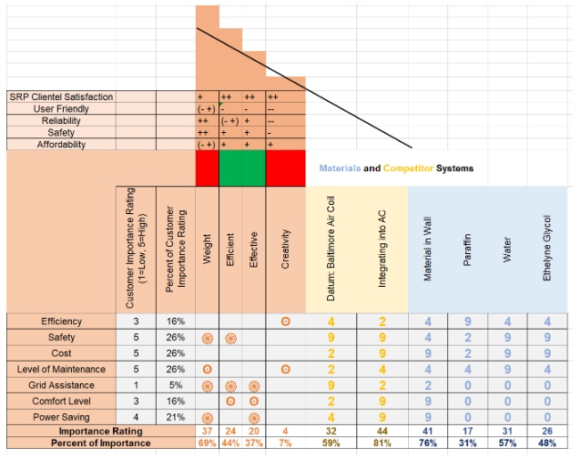
 |  |  |  | Aluminum | 3 | 16% | 9 | 5 | 6 | 8 | 7 |  |  | 7 | 6 |  |  | 2 | 5 | 7
 |  |  |  | Copper | 5 | 26% | 9 | 7 | 6 | 6 | 8 | 8 |  | 8 | 7 |  |  | 2 | 1 | 8
 |  |  |  | Concrete | 5 | 26% | 6 | 8 | 6 | 3 | 2 | 7 |  | 7 | 1 | 8 |  | 5 |  | 2
 |  |  |  | Water | 5 | 26% | 9 | 8 | 2 | 5 | 5 | 6 | 9 | 8 | 6 | 7 | 5 | 10 | 9 | 5
 |  |  |  | Ethelyne Glycol | 4 | 21% | 7 | 6 | 6 | 6 | 5 | 6 | 8 | 7 | 5 | 6 | 1 | 8 |  | 5
 |  |  |  | Importance Rating |  |  | 40 | 34 | 26 | 28 | 27 | 27 | 17 | 37 | 25 | 21 | 6 | 27 | 15 | 27
 |  |  |  | Percent of Importance |  |  | 74% | 63% | 48% | 52% | 50% | 50% | 31% | 69% | 46% | 39% | 11% | 50% | 28% | 50%

 | https://material-properties.org/Aluminium-and-Copper-comparison-properties/

