System images
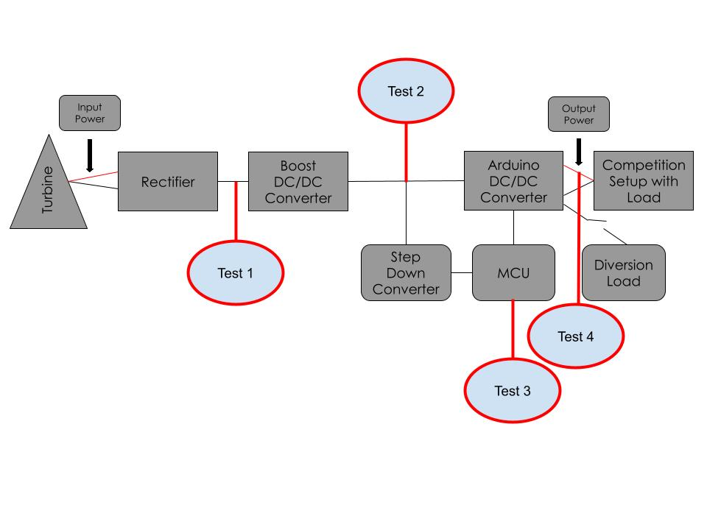
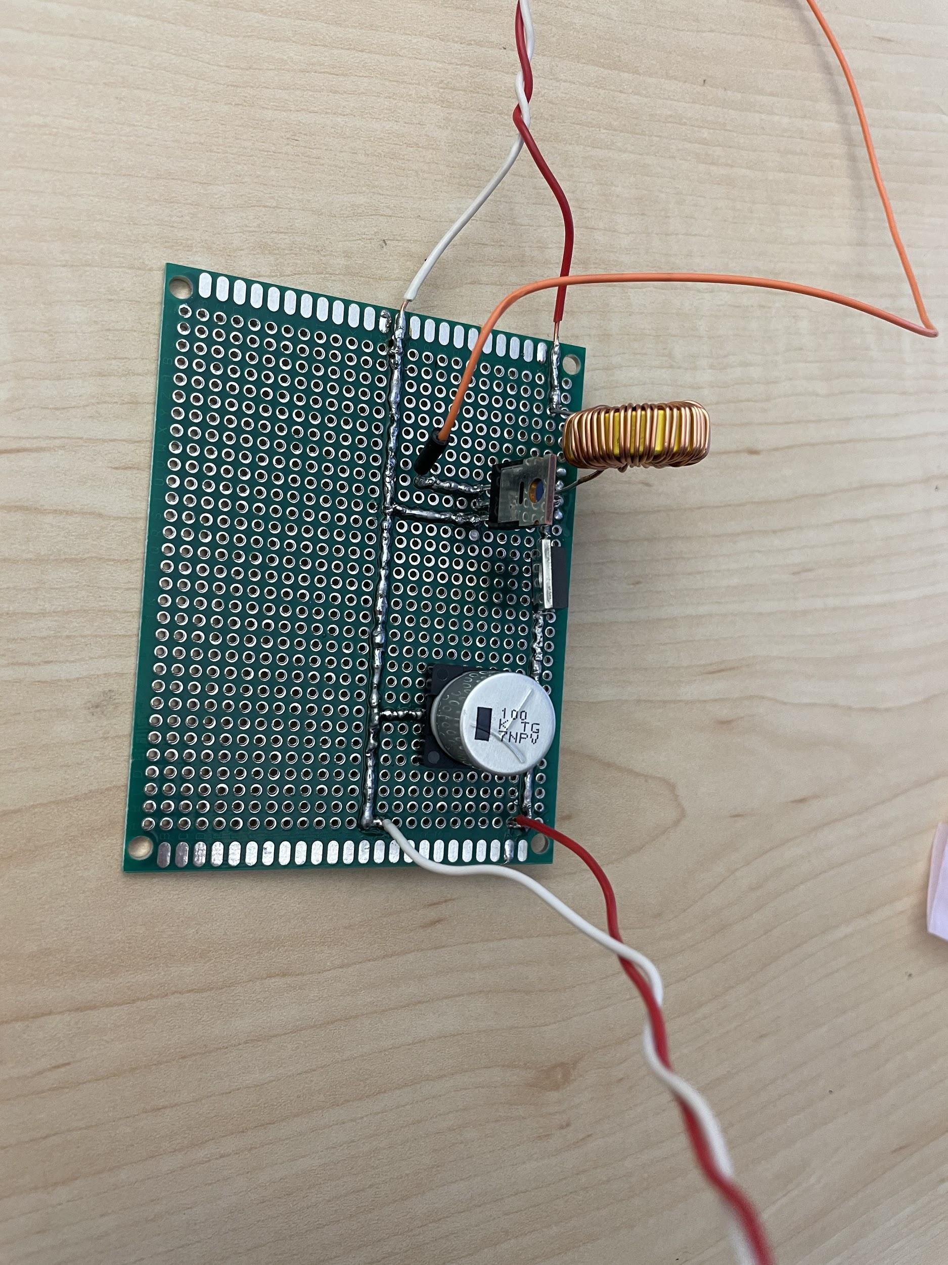

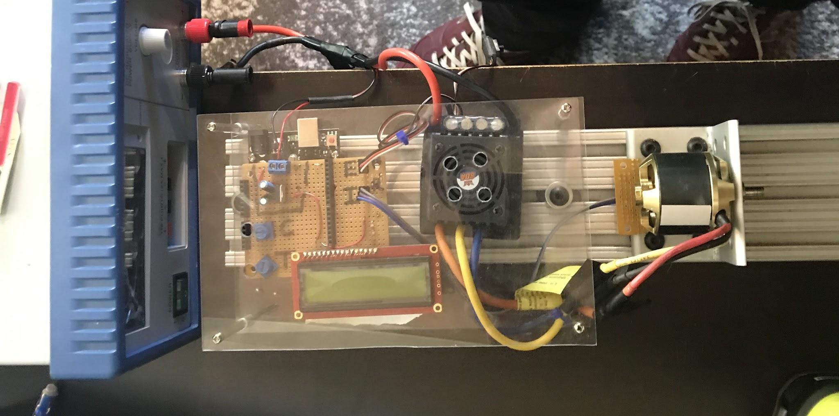

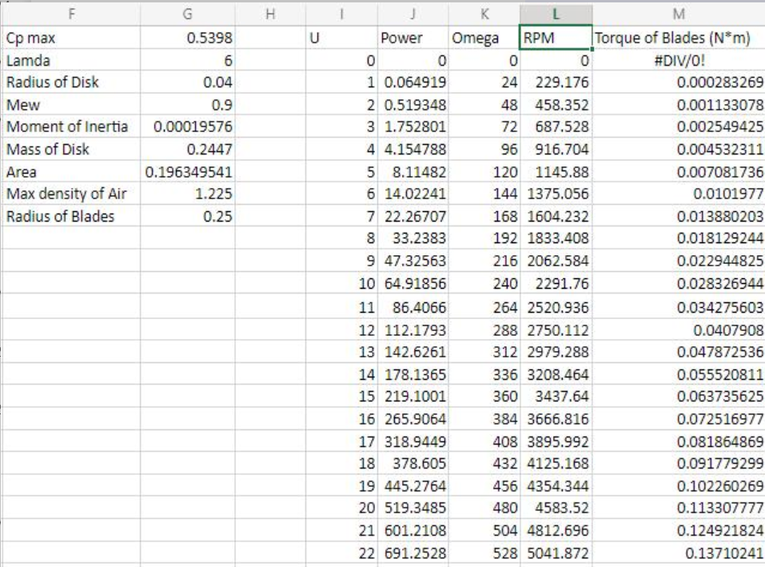

UTS Arduino
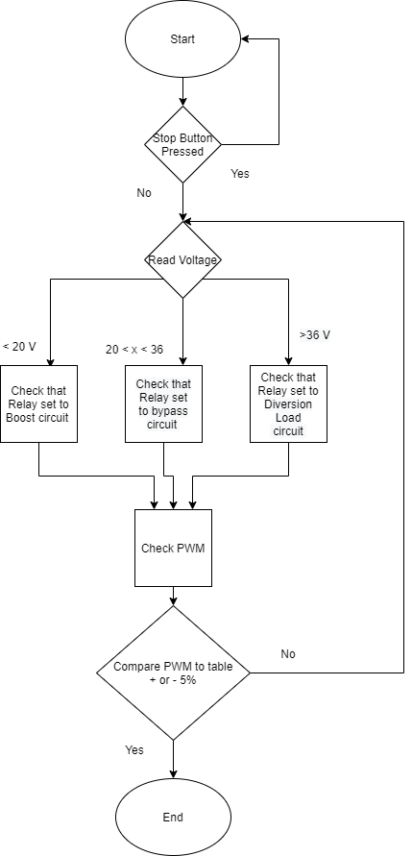
Test number | 3
Requirement Tested: | 6.1.1 | Arduino Mega must be used to automatically adjust DC/DC converter

Test Case name: | Arduino Test
Type | White Box
Hardware version: |  | Tester: Ben Allen |  | Date:
Setup instructions: | Connect the Power supply to the Arduino/PCB system and the load to the output of the PCB board. Connect a scope to PWM signal and set up scope to measure the duty cycle. Start with zero volts and increase voltage to each step. At each stage we will read the PWM from the scope and check which relay is on based on LED lights next to relays. After we have checked the various voltages. Push the pushbutton. Check to see that the relay is in diversion mode.
 |  |  | Results
Step | Action | Expected Result | Pass | Fail | N/A | Comments
1 | Apply 4 volts | Arduino turns on
2 | Apply 6 volts | Relay set to boost circuit
3 |  | Compare PWM signal to table + or - 5%
4 | Apply 10 volts | Relay set to boost circuit
5 |  | Compare PWM signal to table + or - 5%
6 | Apply 15 volts | Relay set to boost circuit
7 |  | Compare PWM signal to table + or - 5%
8 | Apply 21 volts | Relay set to bypass circuit
9 |  | Compare PWM signal to table + or - 5%
10 | Apply 25 volts | Relay set to bypass circuit
11 |  | Compare PWM signal to table + or - 5%
12 | Apply 30 volts | Relay set to bypass circuit
13 |  | Compare PWM signal to table + or - 5%
14 | Apply 36 volts | Relay set to bypass circuit
15 |  | Compare PWM signal to table + or - 5%
16 | Apply 40 volts | Relay set to diversion load
17 |  | Compare PWM signal to table + or - 5%
18 | Push pushbutton | Relay set to diversion load
19 |  | Compare PWM signal to table + or - 5%

Arduino Testing
V out goal , Duty Cycle and Actual duty cycle
Vin | V out goal | Duty Cycle | Actual duty cycle | VDC | Duty Cycle |  | Vout
4 | 32 | 0.875 | 0.833 | 5 | 0.1 | 0.18 | 5.555555556 | 5.555555556
5 | 32 | 0.84375 | 0.833 | 5 | 0.15 | 0.17 | 5.882352941 | 5.882352941
6 | 32 | 0.8125 | 0.833 | 5 | 0.2 | 0.16 | 6.25 | 6.25
7 | 32 | 0.78125 | 0.792 | 5 | 0.25 | 0.15 | 6.666666667 | 6.666666667
8 | 32 | 0.75 | 0.75 | 5 | 0.3 | 0.14 | 7.142857143 | 7.142857143
9 | 32 | 0.71875 | 0.708 | 5 | 0.35 | 0.13 | 7.692307692 | 7.692307692
10 | 32 | 0.6875 | 0.667 | 5 | 0.4 | 0.12 | 8.333333333 | 8.333333333
11 | 32 | 0.65625 | 0.667 | 5 | 0.45 | 0.11 | 9.090909091 | 9.090909091
12 | 32 | 0.625 | 0.625 | 5 | 0.5 | 0.1 | 10 | 10
13 | 32 | 0.59375 | 0.583 | 5 | 0.55 | 0.09 | 11.11111111 | 11.11111111
14 | 32 | 0.5625 | 0.583 | 5 | 0.6 | 0.08 | 12.5 | 12.5
15 | 32 | 0.53125 | 0.5 | 5 | 0.65 | 0.07 | 14.28571429 | 14.28571429
16 | 32 | 0.5 | 0.5 | 5 | 0.7 | 0.06 | 16.66666667 | 16.66666667
17 | 32 | 0.46875 | 0.458 | 5 | 0.75 | 0.05 | 20 | 20
18 | 32 | 0.4375 | 0.417 | 5 | 0.8 | 0.04 | 25 | 25
19 | 32 | 0.40625 | 0.417 | 5 | 0.85 | 0.03 | 33.33333333 | 33.33333333
20 | 32 | 0.375 | 0.333 | 5 | 0.9 | 0.02 | 50 | 50
21 | 32 | 0.34375 | 0.333 | 5 | 0.95 | 0.01 | 100 | 100
22 | 32 | 0.3125 | 0.292
23 | 32 | 0.28125 | 0.25
24 | 32 | 0.25 | 0.25
25 | 32 | 0.21875 | 0.167
26 | 32 | 0.1875 | 0.167
27 | 32 | 0.15625 | 0.167
28 | 32 | 0.125 | 0.083
29 | 32 | 0.09375 | 0.083
30 | 32 | 0.0625
31 | 32 | 0.03125
32 | 32 | 0

